Cover
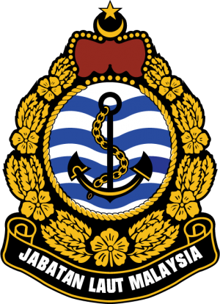

MALAYSIA LIST OF LIGHTS EDITION 2021 MARINE DEPARTMENT MALAYSIA LEMBAGA DIUS API Date Revised : 5 Feb 2021

Marine Department Malaysia has made every attempt to ensure the accuracy and reliability of the information provided and does not accept any responsibility or liability for the accuracy, content, completeness, legality, or reliability of the information contained. Please email to bptbp-abp@marine.gov.my for any reports

